DASHBOARD
DASHBOARD

TOTAL PROFIT | AVERAGE PROFIT | MAX PROFIT | MIN PROFIT | TOTAL ENTRIES | TOTAL QUANTITY | TOTAL SALES | AVERAGE SALES
224078 | 115 | 9228 | -16477 | 1952 | 25268 | 1924338 | 986
Total 8 Most Profitable Cities
 | Total
Cincinnati | 7257.76
Greenville | 8658.95058
Harrison | 8839.22946
Los Angeles | 7865.83718
New City | 9243.2577
Thornton | 9300.3401
Washington | 11677.3631
Woodburn | 7495.061
Shipment Mode
 | Total
Delivery Truck | 275
Express Air | 240
Regular Air | 1437

 | Sum of Profit | Sum of Sales
Appliances | 12594.8206 | 82201.15
Binders and Binder Accessories | 59296.38943 | 185928.14
Bookcases | -930.4384 | 107796.09
Chairs & Chairmats | 48695.8366 | 261072.73
Computer Peripherals | 1698.04398 | 96261.3
Copiers and Fax | 23990.20758 | 99069.48
Envelopes | -1194.4125 | 10479.77
Labels | 7028.1595 | 4914.82
Office Furnishings | 18724.1191 | 98070.91
Office Machines | 8824.390564 | 318169.68
Paper | 7769.31507 | 55813.92
Pens & Art Supplies | -257.6288 | 26071.61
Rubber Bands | -1544.8260632 | 1789.43
Scissors, Rulers and Trimmers | -1291.0959 | 6752.18
Storage & Organization | 7124.2882 | 177417.6
Tables | -7240.0713637 | 193764.58
Telephones and Communication | 40790.51424 | 198764.49

Product catagory & Profit
 | Total
Furniture | 59249.445936
Office Supplies | 89525.009537
Technology | 75303.156364
Top 4 Profitable States
 | Total
California | 37421.960192
New York | 27611.943319
Ohio | 23410.842026
Texas | 28078.85066

Assignment
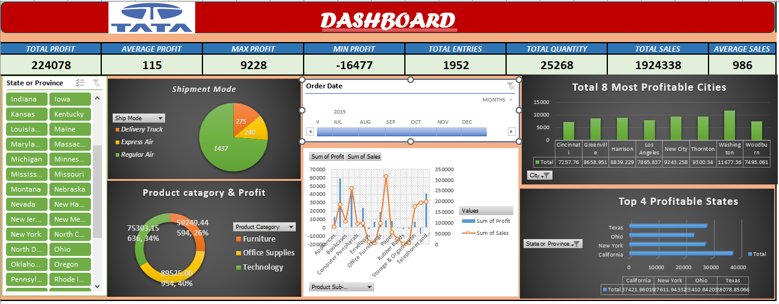
 | Import file ' Sales Data set ' with use of Power Query.
 | Assignment 5 Dataset' contains 3 sheets, use Power Pivot to establish relationship, Query to Clean and upload the data into Data Model.
 | Create different Reports, Use maximum features offered in power pivot. Use conditional formatting and Different types of appropriate Graphs/Charts
 | Use Slicers, Timeline, Formatting techniques to create a Dashboard.
 | Analyze the Dataset and Create a Dashboard.

 | Sample Reports:
 | Most Used Shipment Mode
 | Top 5 Profitable States
 | Top 3 least Profitable Product Sub- Categories
 | Top 10 most Profitable Cities

 | And any new insights you can gain out of the data

NOTE: | You can choose chart as per your preference, Below screenshot is added just for your reference


 | My ASSIGNMENT WORK Screeenshot is pasted below and Dynamic dashboard is in the "DASHBOARD "sheet

